Sheet1
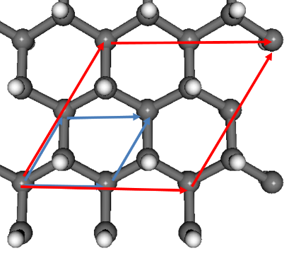
 |  |  |  |  |  | 0.5291772 | This is | Bohr radius
1 | H | 0.000004948 | 0.000584713 | -1.121034684 | 0.5291772
2 | N | 0.000035439 | 0.002021873 | -0.088334994 | 0.5291772
3 | B | 1.230310844 | 0.712414375 | 0.450803734 | 0.5291772
4 | C | 1.230322326 | 0.713498849 | 2.072262141 | 0.5291772
5 | C | 0.000021094 | 0.002852376 | 2.559041255 | 0.5291772
6 | H | -0.00002063 | 0.001298623 | 3.662505765 | 0.5291772
7 | H | 2.460678928 | 0.000584713 | -1.121034684 | 0.5291772
8 | N | 2.460709419 | 0.002021873 | -0.088334994 | 0.5291772
9 | B | 3.690984824 | 0.712414375 | 0.450803734 | 0.5291772
10 | C | 3.690996306 | 0.713498849 | 2.072262141 | 0.5291772
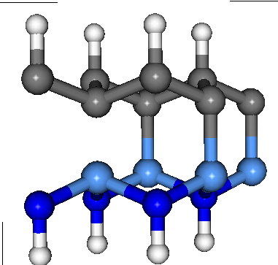
11 | C | 2.460695074 | 0.002852376 | 2.559041255 | 0.5291772
12 | H | 2.46065335 | 0.001298623 | 3.662505765 | 0.5291772
13 | H | 1.230341938 | 2.1315908901 | -1.121034684 | 0.5291772
14 | N | 1.230372429 | 2.1330280501 | -0.088334994 | 0.5291772
15 | B | 2.460647834 | 2.8434205521 | 0.450803734 | 0.5291772
16 | C | 2.460659316 | 2.8445050261 | 2.072262141 | 0.5291772
17 | C | 1.230358084 | 2.1338585531 | 2.559041255 | 0.5291772
18 | H | 1.23031636 | 2.1323048001 | 3.662505765 | 0.5291772
19 | H | 3.691015918 | 2.1315908901 | -1.121034684 | 0.5291772
20 | N | 3.691046409 | 2.1330280501 | -0.088334994 | 0.5291772
21 | B | 4.921321814 | 2.8434205521 | 0.450803734 | 0.5291772
22 | C | 4.921333296 | 2.8445050261 | 2.072262141 | 0.5291772
23 | C | 3.691032064 | 2.1338585531 | 2.559041255 | 0.5291772
24 | H | 3.69099034 | 2.1323048001 | 3.662505765 | 0.5291772

